resigned users
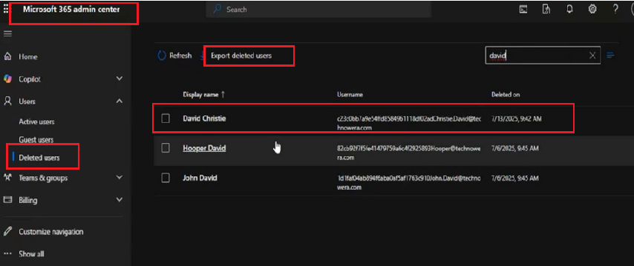
📄 Resigned Users Management – Lab Report

Lab Scenario
Title: Decommissioning User Account for Resigned Employee
User: David Christie
Date: 15.07.2025

Background
David Christie has officially resigned from the organization. Per standard security and compliance procedures, his Microsoft 365 user account must be updated accordingly to prevent unauthorized access and maintain a clean user directory.

Objective
To disable and update the resigned user’s account in Microsoft Entra ID (Azure AD) and Microsoft 365 Admin Center to reflect non-active status and secure company data.

a. Senario : David christie resigned from technowera, | disabled inactive user account, changes need to be done at On premises AD since it's hybrid setup

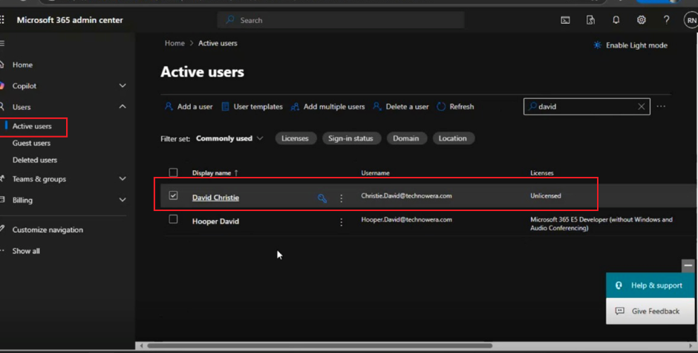

b. Create new OU named "Disabled Users" to allocate resigned staff.

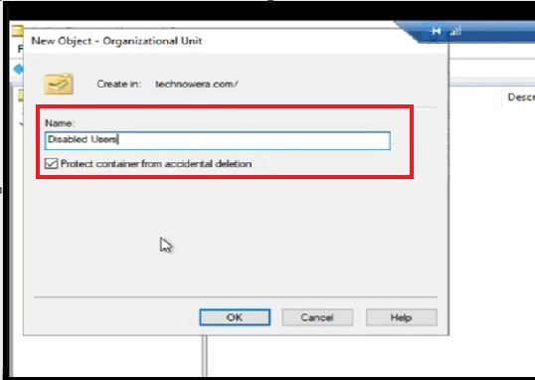
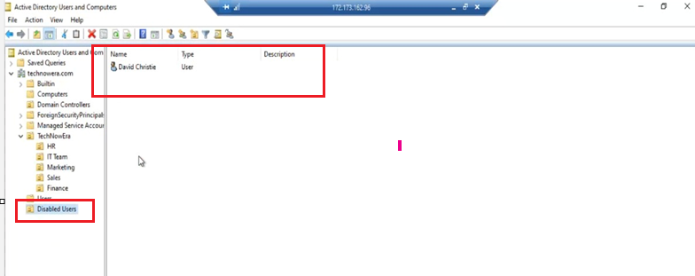

c.Use delta sync comment to have immediate changes in cloud for the changes made in AD

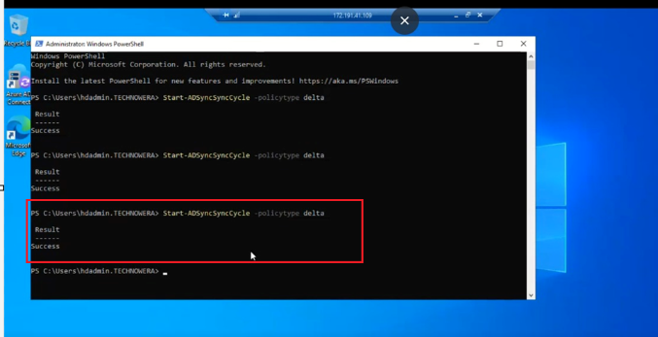

d. login into microsoft 365 to verify David Christie active status
David Christie now under deletd user tab

